Home
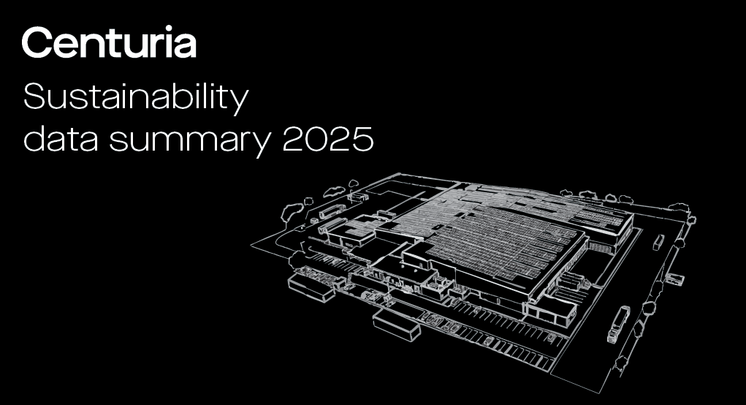

Disclaimer
Issued by Centuria Capital Group Limited (ABN 22 095 454 336) (ASX:CNI) for general information purposes only. It is not a prospectus, product disclosure statement, pathfinder document or any other disclosure document for the purposes of the Corporations Act and has not been, and is not required to be, lodged with the Australian Securities and Investments Commission. It should not be relied upon by the recipient in considering the merits of CNI or the acquisition of securities in CNI. Nothing in this report constitutes investment, legal, tax, accounting or other advice and it is not to be relied upon in substitution for the recipient’s own exercise of independent judgment with regard to the operations, financial condition and prospects of CNI. The information contained in this summary does not constitute financial product advice. Before making an investment decision, the recipient should consider its own financial situation, objectives and needs, and conduct its own independent investigation and assessment of the contents of this report, including obtaining investment, legal, tax, accounting and such other advice as it considers necessary or appropriate. This summary has been prepared without taking account of any person’s individual investment objectives, financial situation or particular needs. It is not an invitation or offer to buy or sell, or a solicitation to invest in or refrain from investing in, securities in CNI or any other investment product. The information in this report has been obtained from and based on sources believed by CNI to be reliable. To the maximum extent permitted by law, CNI and the members of the Centuria Capital Group make no representation or warranty, express or implied, as to the accuracy, completeness, timeliness or reliability of the contents of this report. To the maximum extent permitted by law, CNI does not accept any liability (including, without limitation, any liability arising from fault or negligence) for any loss whatsoeve

Overview
Overview and reporting period

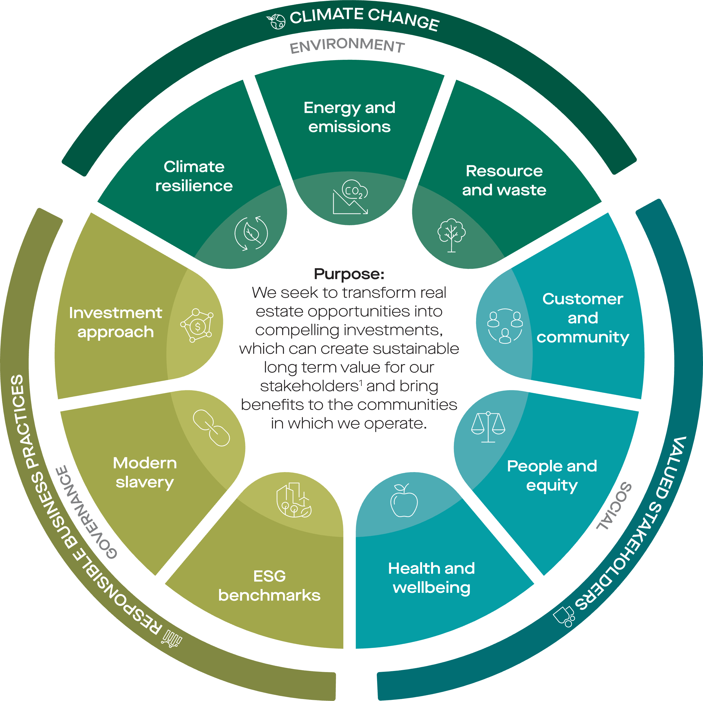 This Sustainability Data Summary details the Group's non-financial performance across select environmental, social and governance (ESG) metrics for the financial year for FY25: July 2024 - June 2025 (referred to as the reporting period). The metrics reported reflect Centuria's sustainability framework, and selected metrics in the following tabs have been included in the scope of third-party limited assurance completed by KPMG.

1. In the context of Centuria's purpose statement, Centuria Capital Group defines stakeholders as our investors, our tenant customers, our colleagues and our lending partners

FY25 Centuria Capital Group Sustainability Report
FY25 Annual Report (Centuria Industrial REIT)
FY25 Annual Report (Centuria Office REIT)
FY25 climate-related
disclosure report
FY25 Centuria Capital Group Annual Report
This Data Summary complements the Group's Annual Report and Sustainability Report which are available on our website. Further content and information can also be found in the Sustainability landing page on the Group's website.
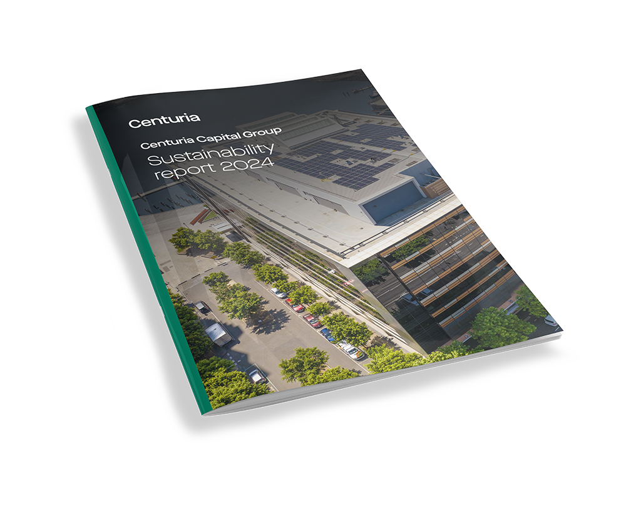 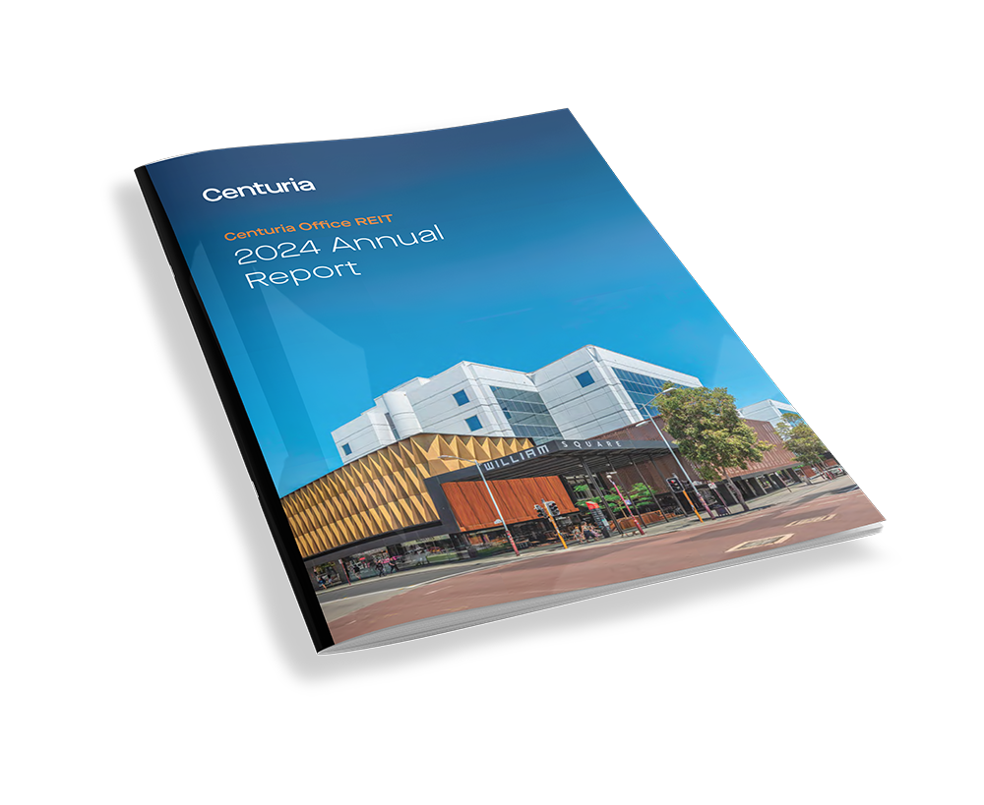 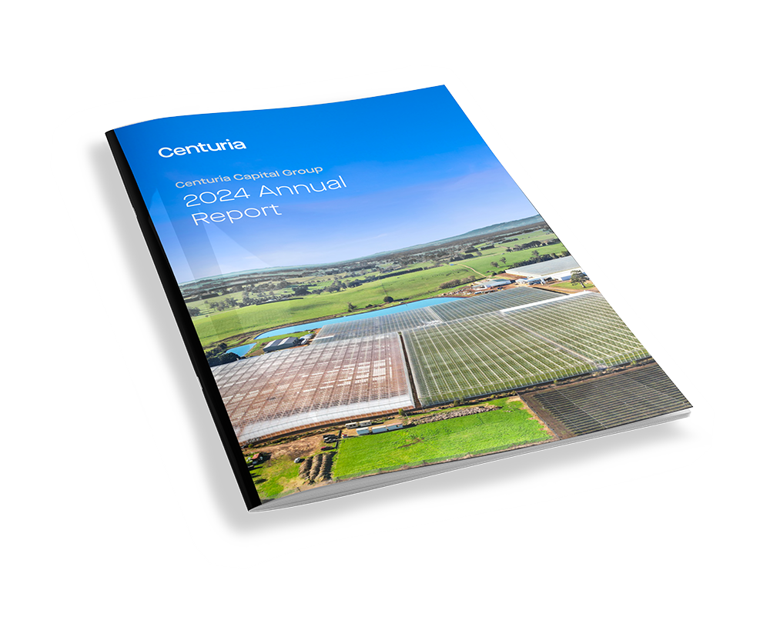 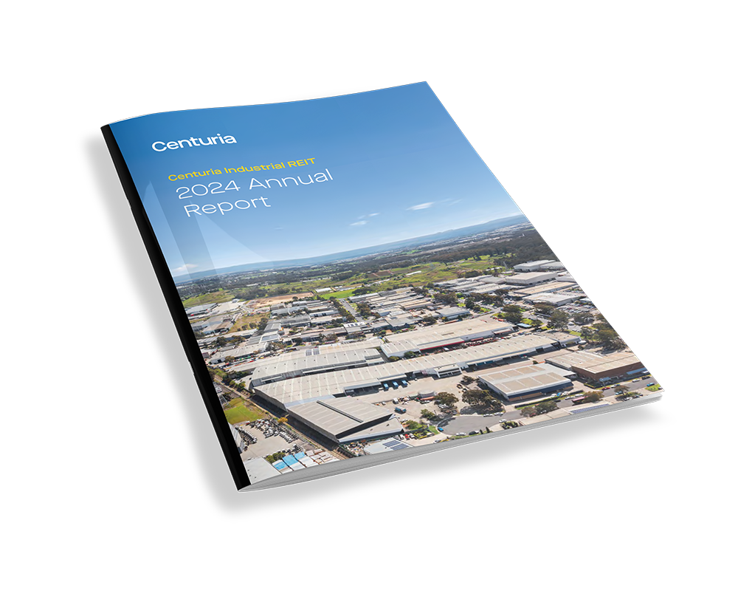 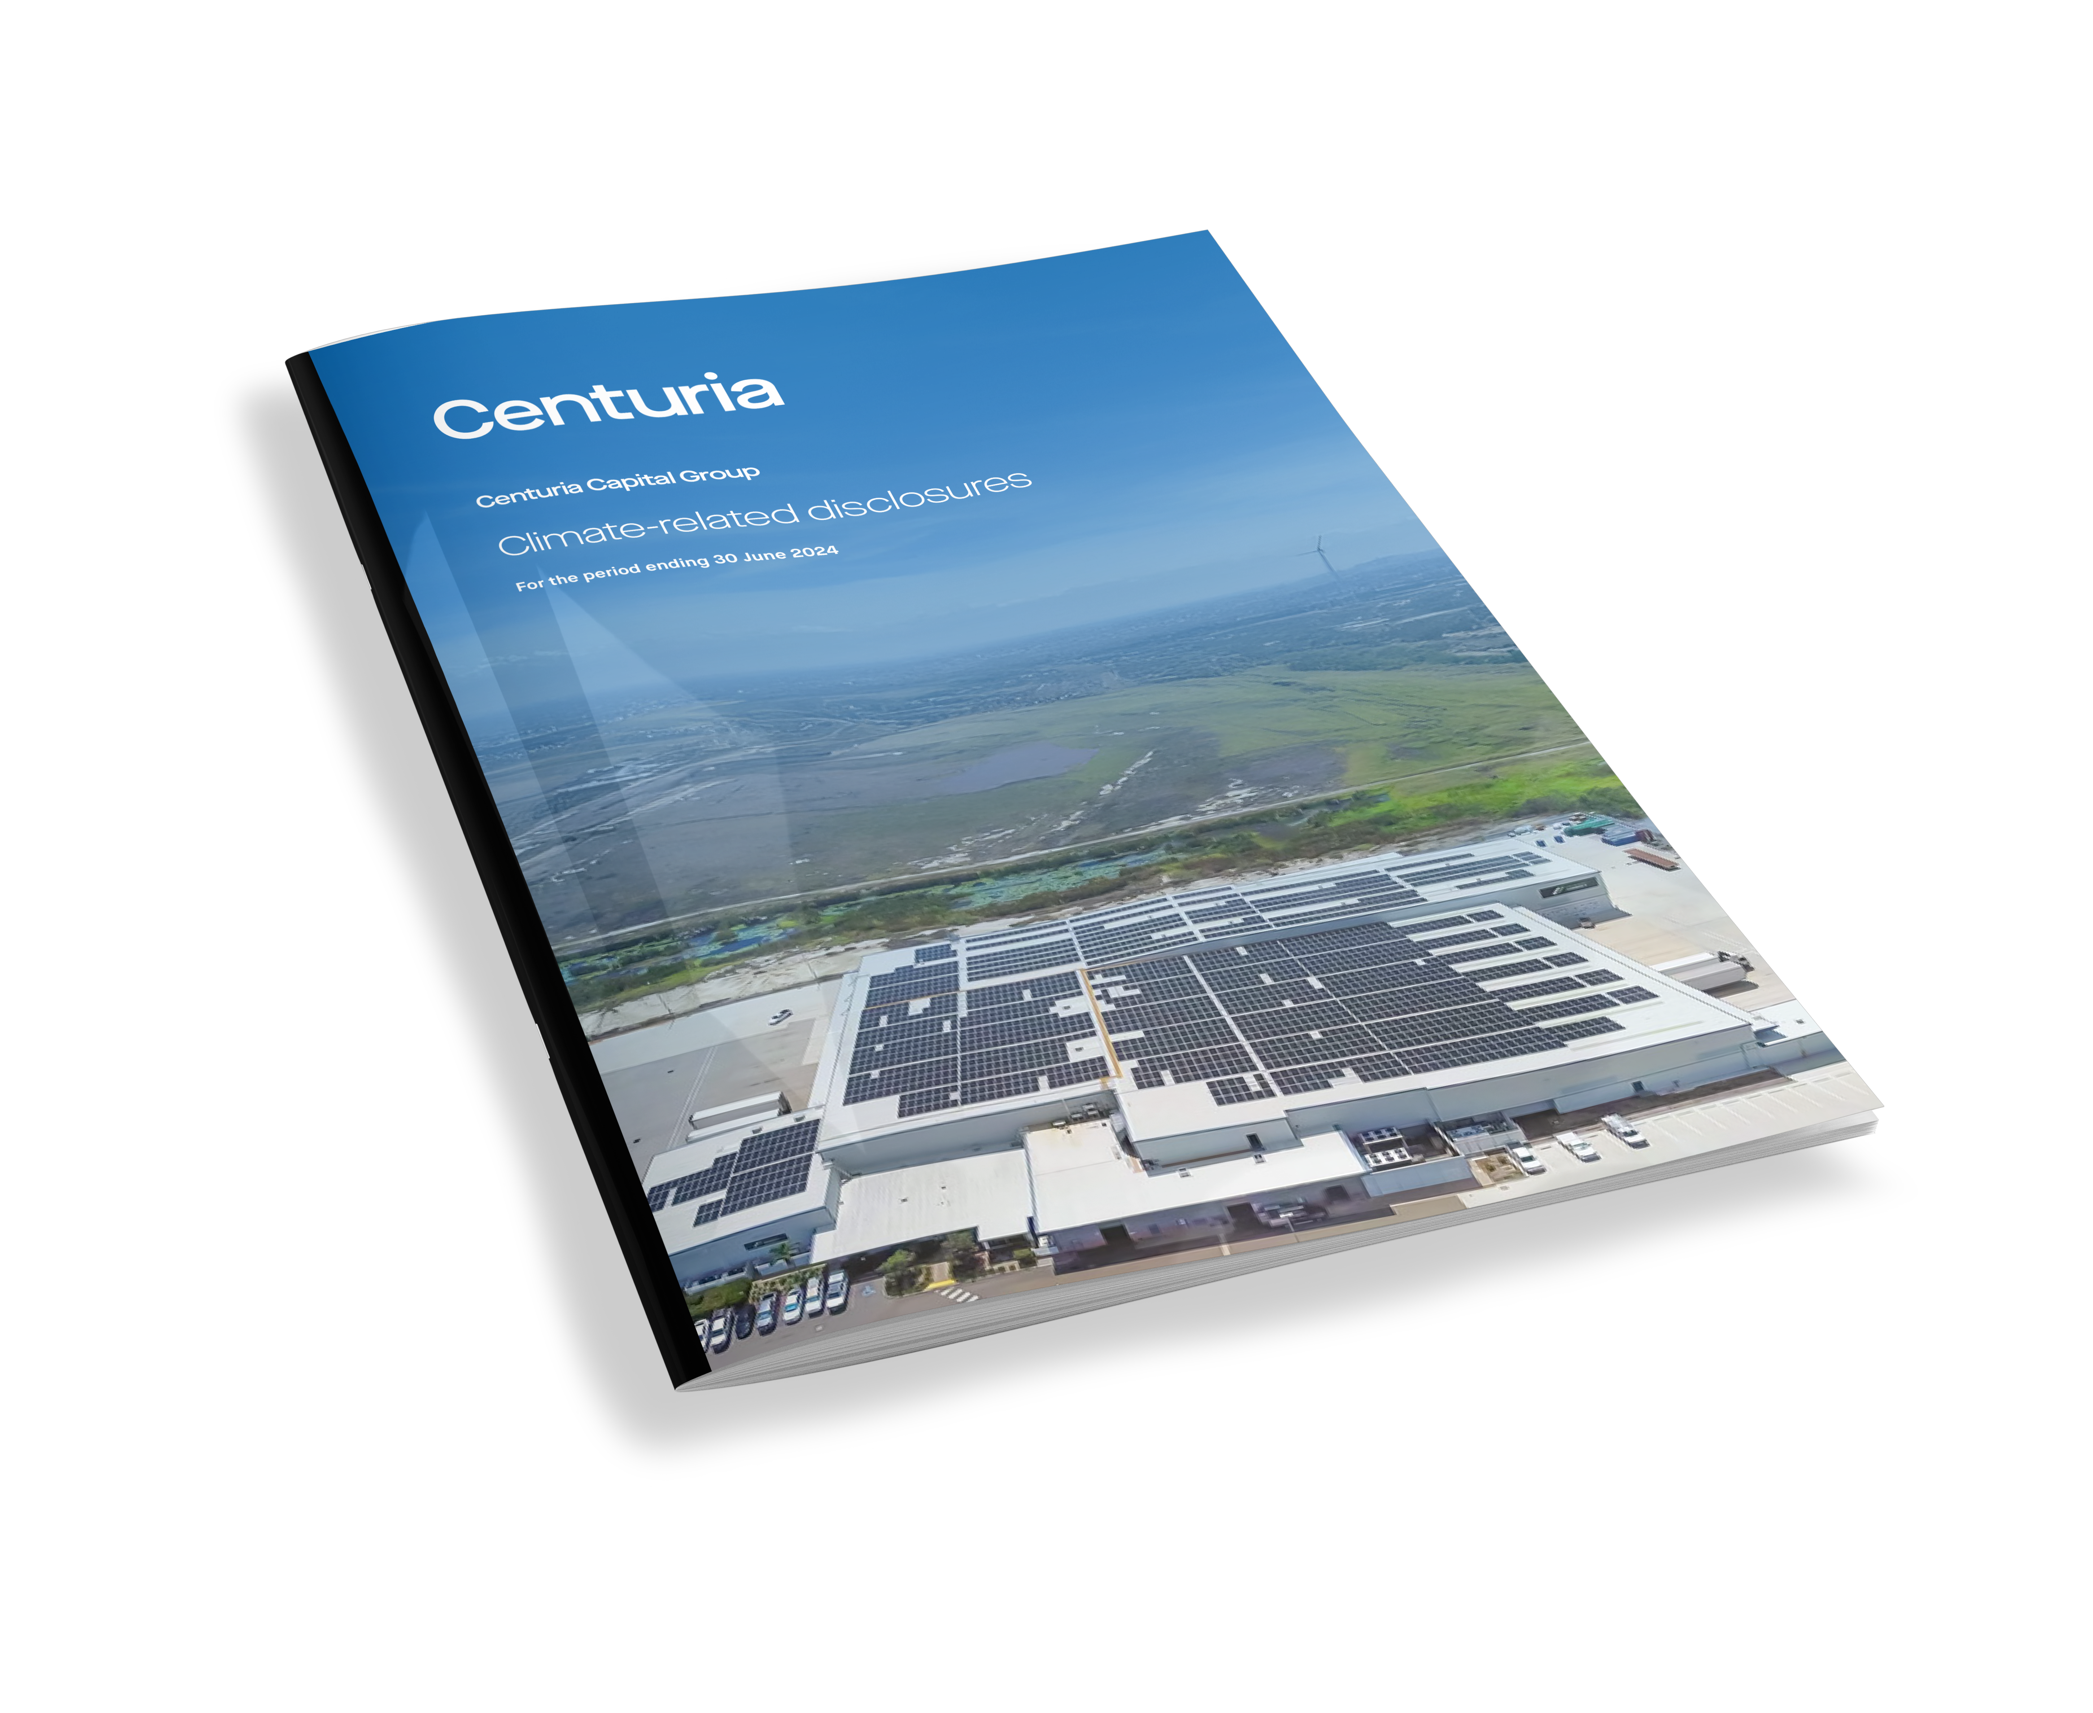

Third-party limited assurance was provided by KPMG on select FY25 metrics, and the previous reporting year (FY24). Prior data from FY23 was assured and prior data from FY22 was not assured. For further details - please refer to the FY25 Limited Assurance Report on our website.

FY25 Basis of Preparation
FY25 Assurance Report

Metrics included in the assurance scope are indicated by the following purple-cell formatting |  |  |  | SAMPLE

Reporting boundary

Environmental
Environmental data is collected for operations, assets and activities (herein referred to as assets) within its direct and its subsidiaries corporate boundary. Centuria’s corporate boundary is defined by Centuria’s Operational control of an asset, and the time in which the asset is held. Reporting covers assets in Australia and New Zealand. Operational control refers to Centuria’s capacity to directly manage the day-to-day activities of an asset, by either Centuria’s or a nominated delegates management policies. Centuria follows the definitions as outlined by the National Greenhouse and Energy Reporting Act 2007: “A corporation will have operational control over a facility if the corporation has the authority to introduce and implement any or all of the following for the facility: operating policies, health and safety policies, environmental policies”. “Where more than one corporation has the authority to introduce and implement any or all of the policies mentioned, the corporation that has the greatest authority to introduce and implement the operating and environmental policies has operational control over the facility”. Centuria reports environmental data within its corporate boundary when it is determined to have Operational Control of an Asset.

Centuria's corporate boundary based on operational control for each asset class is shown below:
 | Asset classes
 | Office | Industrial | Healthcare | Retail | Agriculture | Development / construction | Centuria tenancies
Included for reporting | Included | Included | Included | Included | Included | Excluded | Included

Note on floor area: The floor area values throughout the environmental metric breakdown is specifically representative of various asset types (Office, industrial, healthcare: NLA/GFA, Retail: NLA/GLAR)

Asset class boundary definitions: 1. Base & common: refers to areas with shared services within the building, such as the base infrastructure and common areas of an asset: lifts, as well as foyers, communal hallways, car parks. 2. Whole building: refers to all spaces within the physical boundary of an asset, and operations that affect all spaces. Equity interest: For energy and emissions data reported in the annual Group Sustainability Report only, Centuria will adjust the total percentage of data reported to be reflective of the aggregated ownership of an asset. Acquisition and divestment date: Centuria only reports environmental data for assets while operational control is held. Asset acquisition and divestment dates are used to determine when data is reported for assets where operational control is held For further information, please refer to the FY25 Basis of Preparation.

Environmental data

Energy - Electricity (MWh) | Purchased electricity consumed directly from a public electricity network Electricity is reported only for base and common areas
Natural Gas & Diesel (MWh) | Onsite combustion of natural gas distributed by pipeline Gas and diesel is reported for whole building
Onsite solar (MWh) | Electricity generated assets through rooftop solar
Emissions | Scope 1 and 2 (location-based) emissions are respectively reported energy sources. For operations in Australia, Centuria uses emissions factors from each corresponding year's National Greenhouse and Energy Reporting (Measurement) Determination. Operations in New Zealand adopt emission factors determined by the New Zealand Ministry of Environment.
Water | Water is reported for whole building through the main meter. Reported figures represent mains potable water.
Waste | Waste is reported where we have operational control. Where waste is processed under our control, whole building data is captured. Waste is broken down into total waste disposed and diverted, and a respective diversion rate. Centuria reports on waste where data is available through contracted waste vendors.
Social | Social data is reflective of Centuria Capital Group. Centuria’s listed Real Estate Investment Trusts (REITs) are actively managed by Centuria Capital Group, and therefore adopt their social metrics when reporting.
...

Environmental summary
...
Environmental summary
Scope: Environmental metrics within Centuria's corporate reporting boundary
Total waste | t | 449 | 589 | Attributed to data capture in additional assets.
Waste to directed to landfill | t | 332 | 386
Waste diverted | t | 118 | 203
Waste diverted | % | 26% | 34%

Floor area | m2 | 186,175 | 165,787 | Represents assets under operational control during the reporting year.

Percentage total Scope 1 & 2 emissions generated by Centuria Capital Group
 | tco2e
Scope 1 (fuel combustion) | 2041.1904909
Scope 1 (refrigerant leakage) | 1970.723
Scope 2 (location based) | 23591.616578
FY25: Energy consumption by country (MWh)
 | MWh
Australia | 56799.452889
New Zealand | 4347.2586535

Energy
...
Energy summary
Scope: Assets under operational control, including Centuria's corporate offices in Australia and the New Zealand Auckland office
Purchased non-renewable electricity | MWh | -36% | 2,254 | 1,451
Purchased renewable electricity | MWh | 60% | 1,409 | 2,255
Total energy | MWh | -1% | 4,388 | 4,347
Energy intensity | kWh/m2 | 11% | 0.02 | 0.03

Floor area | m2 |  | 186,175 | 165,787 | Representative of operational control boundaries during the reporting year.

Total energy consumed by Centuria Capital Group
 | FY24 | FY25
Onsite solar consumed | 6767.807 | 8321.5366612
Purchased renewable electricity | 1653.9317189 | 2437.51758
Purchased non-renewable electricity | 40837.269 | 40111.504734
Diesel | 349.373 | 2472.414374
Natural Gas | 9043.444 | 7628.1027733

Onsite solar performance in Australia
 | Onsite solar generated | Onsite solar consumed | Onsite solar exported
FY24 | 7196 | 6768 | 428
FY25 | 9218.9442456 | 8321.5366612 | 897.40758439
New Zealand Total energy consumed
FY25 New Zealand energy consumption
Purchased renewable electricity | 2254.85445
Natural Gas | 637.34250987
Diesel | 3.99
Purchased non-renewable electricity | 1451.0716936

Portfolio summary
...
Portfolio summary
Waste to directed to landfill | t | 244 | 385
Waste diverted | t | 36 | 192
Waste diverted | % | 13% | 33%

Floor area | m2 | 140,674 | 150,676 | Representative of operational control boundaries during the reporting year.

Centuria Office REIT: Onsite solar performance FY25
 | Onsite solar generated | Onsite solar consumed | Onsite solar exported
FY24 | 1300.86 | 1136.93 | 163.93
FY25 | 1969.4501594 | 1585.6259 | 383.82425937
FY25: Centuria Office REIT energy consumption (%)
Onsite solar consumed | 1585.6259
Natural Gas | 2724.5358039
Diesel | 166.27965
Purchased non-renewable electricity | 10120.775166

FY25: Australian Unlisted Funds energy consumption (%)
 | FY24
Natural Gas | 4977.7440751
Diesel | 130.93955215
Purchased non-renewable electricity | 26595.4206
Onsite solar consumed | 5552.2764219
Australian Unlisted funds: Onsite solar performance
 | Onsite solar generated | Onsite solar consumed | Onsite solar exported
FY24 | 5895 | 5631 | 264
FY25 | 7249.4940862 | 6735.9107612 | 513.58332503

